1. Title Page
Instacart Grocery Basket Analysis

Project Name: Instacart Grocery Basket Analysis
Date: August 2023
Analyst Name: Brandee Fairnot

Contents:
Population Flow
Consistency checks
Wrangling steps
Column derivations
Visualizations
Recommendations

Data Citation:

1. “The Instacart Online Grocery Shopping Dataset 2017”, Accessed from www.instacart.com/datasets/grocery-shopping-2017 via Kaggleon Aug 13, 2023
2. Customer data, as well as the “prices” column in the products data set, were both fabricated for the purpose of this course.

2. Population Flow
Title page

Population flow

Orders_products_combined
Orders_products_merged
Orders_products_all

Total: 32,404,859
Total: 32,434,489
Total: 32,404,859

1.) The grey boxes in the first row of the population flow represent the original data sets as they were when you downloaded them. In the Total fields you need to add the count of the rows when you imported the data set into Jupyter.
2.) The second row of boxes (coloured) represents the data sets after you manipulated them, e.g., removed missing values and duplicates. In the Total fields you need to add the count of the rows after conducting these operations. This offers a visual oveview of how the data flows throughout the data consistency checks.
3.) The third row, where also the arrows are coloured, represents the merges you performed between the datasets. In the Total fields you need to add the count of the rows in the merged datasets, so that you end up with the final dataset (in the red box). Keep in mind the final dataset should be without exclusions (based on the exclusion flag).

3. Consistency checks
 |  |  |  | Title page
Consistency checks

Dataset | Missing values | Missing values treatment | Duplicates
orders | 206, 209 -days since prior order | Kept lines | none
products | N/A | N/A | 21
orders_products_prior | prices column had outlier value of 99999 | Made NAN | None
customers | 11,259 missing first names | Information still valuable. Kept and changed to Unknown | None

4. Wrangling steps
 |  |  |  | Title page
Wrangling steps

Columns dropped | Columns renamed | Columns' type changed | Comment/Reason
Customer data: gender & date joined |  |  | unnecessary
 | Customer data: Surnam' : 'Last Name', 'n_dependants' : 'Dependents', 'STATE' : 'State', 'fam_status' : 'Family_Status', 'income' : 'Income' |  | formatting, misspellings, understanding
 | order_dow = orders_day_of_week |  | better understanding
 |  | user_id changed from numeric to string | unnecessary
First Name, Last name |  |  | PII removed
Low activity customer rows removed |  |  | ceo wanted Low activity customer removed cause they have < 5 orders

5. Column derivations
 |  |  |  | Title page

Column derivations and aggregations

In this tab you should add tables below that the frequences of flags/label variables that you produced after deriving them. NB: don't do this for continuous variables, only for flags.
Dataset | New column | Column/s it was derived from | Conditions
ords_prods_merge | price range | prices | Low raange <= 5 Mid range >5 & <=15 High range > 15 Not enough data
ords_prods_merge | busiest days | orders day of week | Busiest day = 0 Least busy = 4 Regularly busy = else
ords_prods_merge | busiest period of day | order hour of day | Most order >=9 & <=15 Average order >=7 & <=8 & >=17 & <= 22 Fewest orders >=0 & <=6
ords_prods_merge | max order | user id & order number | N/A
ords_prods_merge | loyalty flag | max order | Loyal customer > 40 Regular customer <=40 & .10 New Customer <= 10
ords_prods_merge | type of spender | mean spending | Low spender < 10 High Spender >= 10
ords_prods_merge | mean spending | user id & prices | N/A
ords_prods_merge | order freq flag | user id & days since prior order | N/A
ords_prods_merge | customer frequency | order_freq_flag | Non-frequent customer >20 days Regular customer >10 & <=20 Frequent customer <= 10
ords_prods_merge | Region | state | south west midwest northeast
ords_prods_merge | Customer_Activity | max order | >5 orders = Low activity customer <= 5 orders = High activity customer

6. Visualizations
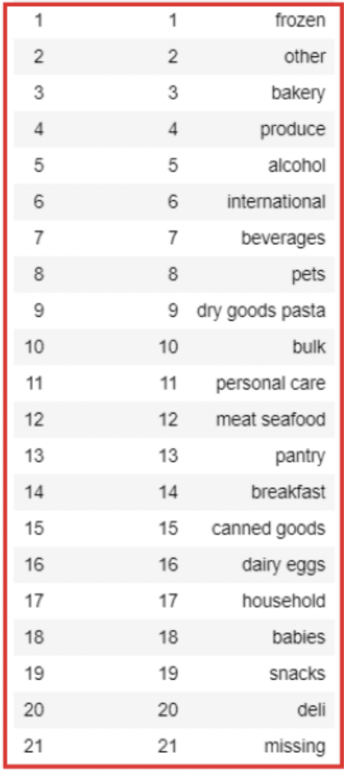
 |  |  |  | Title page

Visualisations

In this tab you should include all the visualtions from Exercises 4.9 and 4.10, alongside the questions from the project brief that they answer. Include any commentary on the relationship between different variables.

What’s the distribution among users in regards to their brand loyalty (i.e., how often do they return to Instacart)? Are there differences in ordering habits based on a customer’s loyalty status?
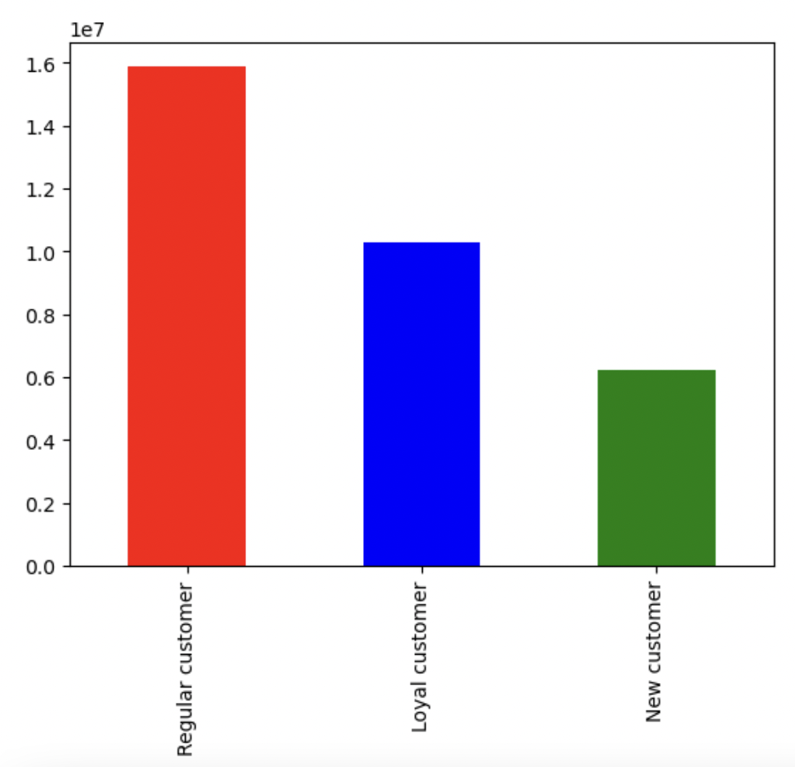

 | The regular customers who buy items everry 10-20 days is the most popular type of customer for instacart. While their loyal customer who order less than or equal to every 10 days is half as popular as the reuglar customers bar in the graph.

What is the busiest hours of the day?

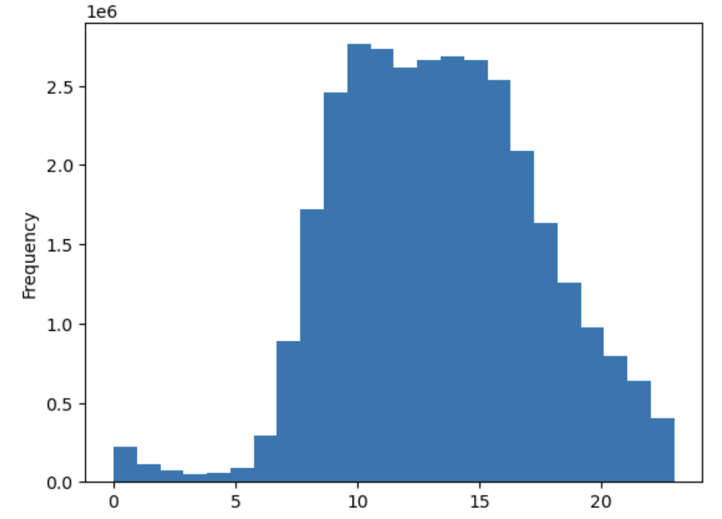
 |  | This histogram displays the hours of the day on the x-axis. It's evident that between 11-2pm Instacart users are more prone to use their services.

When are more expensive items purchased?

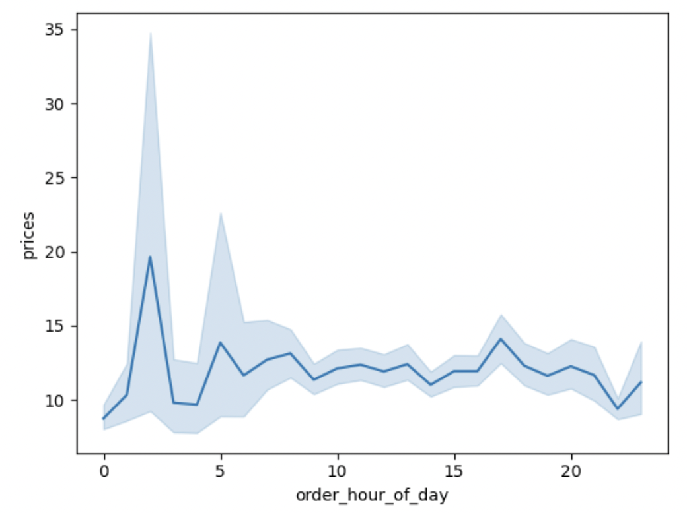

 |  |  | This graph shows the order prices during specific hours of the day. You see that earlier in the morning more expensive items are usually purchased.

Is there a connection between age and family status in terms of ordering habits?

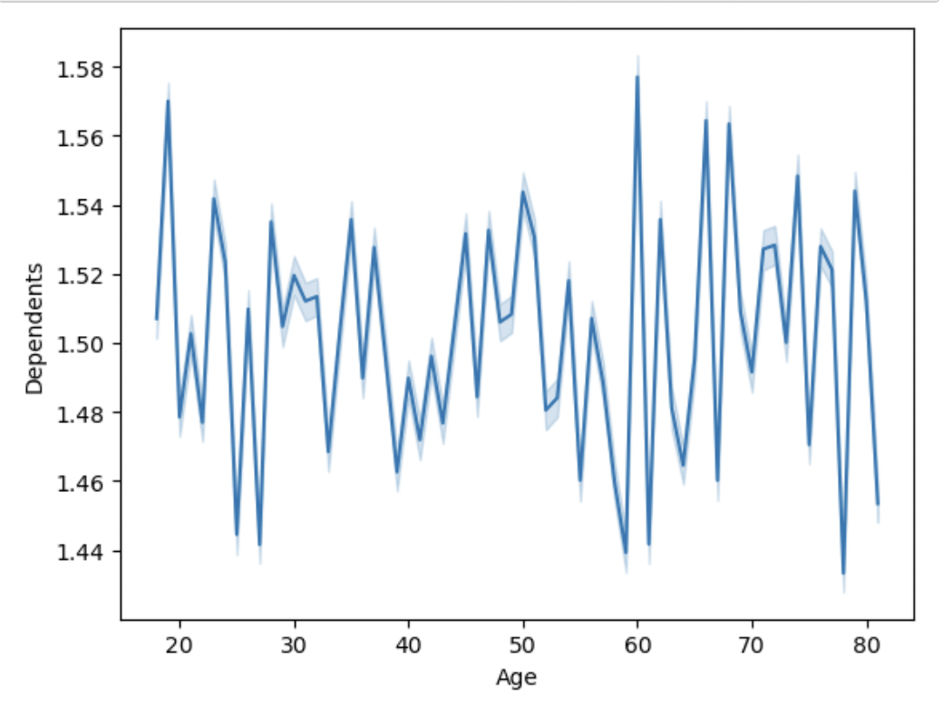

 |  | This line chart shows the ages of the customers on the X axis and the dependents on the Y axis (but it doesn't go from 0-3, so I don't think this is a full representation) of dependents per customer age.

What different classifications does the demographic information suggest? Age? Income? Certain types of goods? Family status?

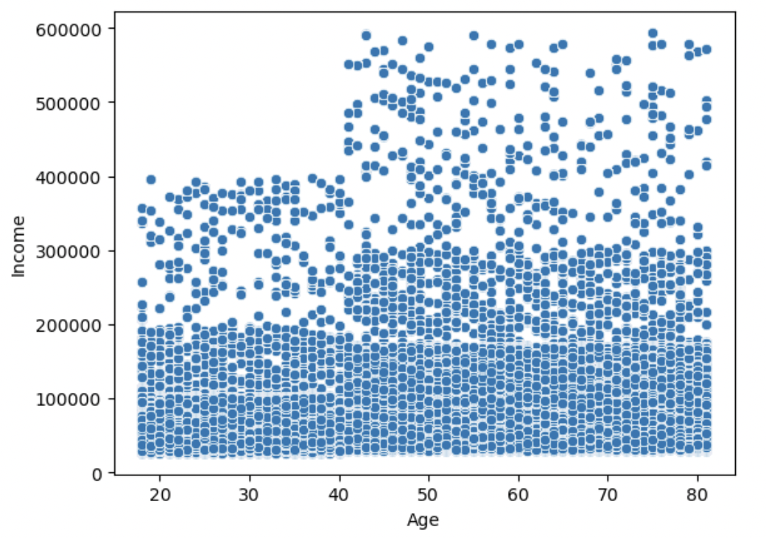

 |  |  | This one I tried with and without the small sample and the result is very hard to read both ways due to how many plots are on the chart. Also there aren't many incomes with more than $150K for the family, is it makes this chart seem unrealistic.

Are there differences in ordering habits based on a customer’s region?

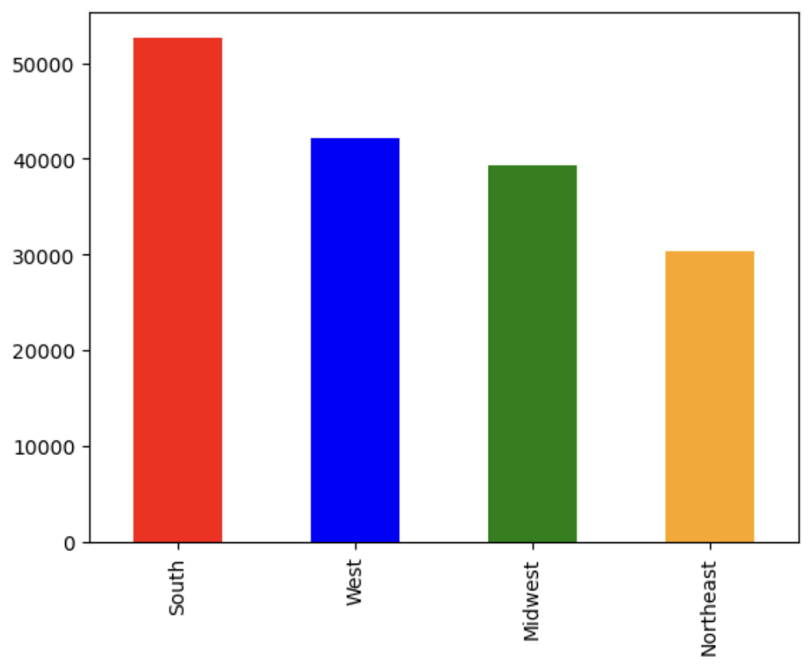
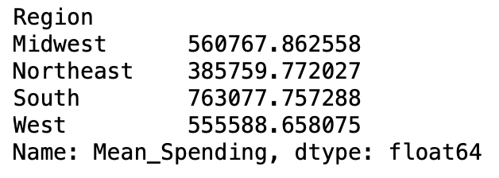

 |  |  | From the chart you can see the South consums more products from Instacart. The west and midwest are close in values of mean spending, while the northeast spends the least amount with Instacart.

What are the busiest days of the week?


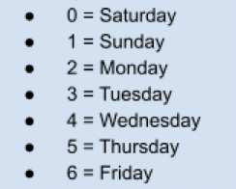

 |  |  | The weekend is the busiest shopping days then Friday, Monday, Thursday, Tuesday, then Wednesday.

7. Recommendations
 |  |  | Title page

Recommendations

In this tab you should include any recommendations you would made to Instcart in terms of their marketing strategy based on the questions posed in the brief. Every key question has been covered in the Tasks of the Exercises - here you need to add an item - a visualisation or table/crosstable that is showing the answer in the data, acompanied by a comment from you. Please, list the questions below and add the answer underneath.

Question | Answer
Key Question 1: What’s the distribution among users in regards to their brand loyalty (i.e., how often do they return to Instacart)? |  | The regular customers who buy items everry 10-20 days is the most popular type of customer for instacart. While their loyal customer who order less than or equal to every 10 days is half as popular as the reuglar customers bar in the graph.
Key Question 2: Are there differences in ordering habits based on a customer’s loyalty status? |  | Customers who buy items everry 10-20 days are more likely to continue spending in this way over loyal or new customers.
Key Question 3: Are there differences in ordering habits based on a customer’s region? |  | It's evident that between 11-2pm Instacart users are more prone to use their services.
Key Question 4: Is there a connection between age and family status in terms of ordering habits? |  | The customers with bigger families are more prone to order more items, more frequently, especially if the adult's age is younger. Older adults are more prone to order less frequently when they have a family to shop for.
Key Question 5: What different classifications does the demographic information suggest? Age? Income? Certain types of goods? Family status? |  | The customer profiles showed that families in general bought more and people from southern regions bought more from instacart. This could be because southerns usually have larger families and the convenience of instacart makes 1 part of their day eaiser.
Key Question 6: What differences can you find in ordering habits of different customer profiles? Consider the price of orders, the frequency of orders, the products customers are ordering, and anything else you can think of. |  | The customers with bigger families are more prone to order more items, more frequently, especially food items & beverages and if the adult's age is younger. Older adults are more prone to order less frequently when they have a family to shop for.

